Cover
If you have any questions, please get in contact! (claudia.schredl@gesis.org)

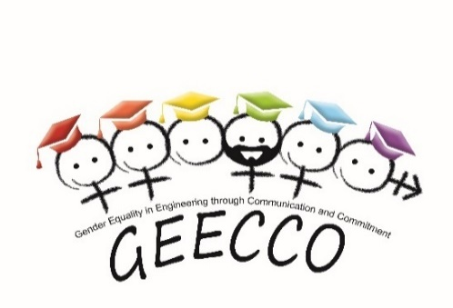

GEECCO - Gender Equality in Engineering through Communication and Commitment

Monitoring Gender Equality Measures in Research Funding Organizations

GEECCO Log Journal

Grant Agreement Number 741128 funded by the European Commission

GESIS Leibniz Institute for the Social Sciences
Center of Excellence Women and Science CEWS

